Cover page
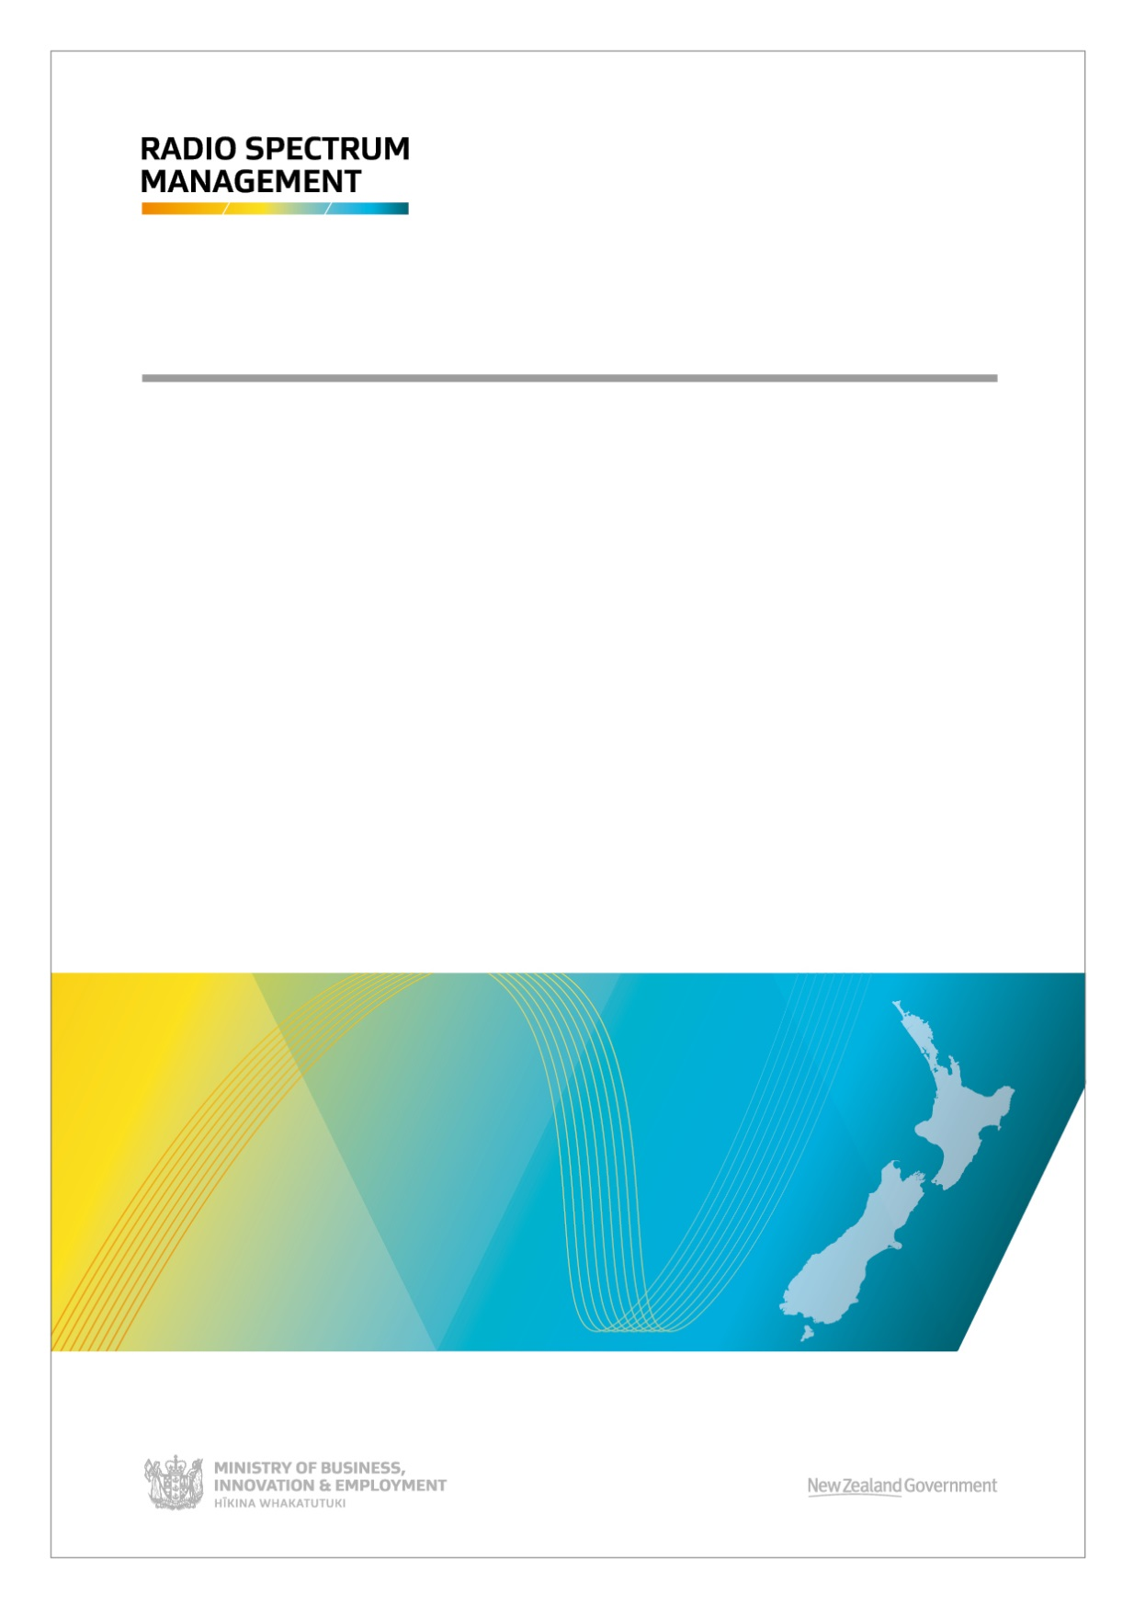

Crown Management Right Band Plans (PIB 24)
Issue 2 | August 2018
___________________________________________

Intro
2A0T
2A0T
2A0T
1. Introduction

2A1T
1.1 Contents
This Public Information Brochure (PIB 24) is intended as a convenient reference guide to the Management Rights managed by the Crown. It details the frequencies, band plans and channelling for Broadcasting services.
The inclusion of a band plan, or a particular channel in any band plan, does not necessarily mean that the band or channel is available for licensing.

2A2T
1.2 Disclaimer
The Ministry of Business, Innovation and Employment (the Ministry) makes no warranty, express or implied, nor assumes any liability for any loss suffered, whether arising directly, or indirectly, due to the sole reliance on the accuracy or contents of this Public Information Brochure (PIB 24).

1.3 Changes
Radio Spectrum Management (RSM) may change, delete or add to or otherwise amend information contained in this PIB from time to time to reflect evolving policies. Changes to this document will be notified through the 'Radio Spectrum Management Business Update' newsletter that is emailed to those who subscribe. The changes are also notified in the News section on the RSM website www.rsm.govt.nz.

2A4T
1.4. Clarification and corrections
RSM will provide clarification of the information contained in this document when requested and would appreciate receiving suggestions for its improvement or advice relating to inaccuracies or ambiguities. Such matters may be emailed to radio.spectrum@mbie.govt.nz. Correspondence received will be acknowledged, investigated and appropriate action taken.

2A6T
1.5 Amendment history
Issue | Date of effect |  | Description of amendment | Authorised by
1 | February 2015 |  | Information collated into Issue 1 | Len Starling
1.1 | June 2016 |  | Reformatted headers, footers and content to align with PIB 21. Moved ISSN number from cover page to Introduction page. Updated table of contents | Len Starling
2 | August 2018 |  | Update of FM channel plan Addition of Land Mobile Radio band | Len Starling
RADIO SPECTRUM MANAGEMENT |  |  | 3 Crown Management Right Band Plans (PIB 24) Issue 2
2A5T
1.6 Abbreviations and terminology
Abbreviation |  | Meaning
AM |  | Amplitude Modulation
DTV |  | Digital Television
FM |  | Frequency Modulation
LMR |  | Land Mobile Radio
MBIE |  | Ministry of Business, Innovation and Employment (the Ministry)
MF |  | Medium Frequency (0.3 - 3 MHz)
PIB |  | Public Information Brochure
RSM |  | Radio Spectrum Management
VHF |  | Very High Frequency (30 - 300 MHz)
UHF |  | Ultra High Frequency (300 - 3000 MHz

ISSN 1175-6745
RADIO SPECTRUM MANAGEMENT |  |  | 4 Crown Management Right Band Plans (PIB 24) Issue 2

MFAM band plan
3A0T
2. Medium Frequency - Amplitude Modulated Broadcasting (AM)

2.1. MF-AM Band 0.521 - 1.612 MHz

0.521 MHz |  |  | 1.612 MHz

RADIO SPECTRUM MANAGEMENT | 5 | Crown Management Right Band Plans (PIB 24) Issue 2

MFAM channels
4A0T
2.2 MF-AM Channels

MF-AM
20 kHz Channels 9 kHz Spaced |  | 20 kHz Channels 9 kHz Spaced
Channel | Ref.Frequency (MHz) | Channel | Ref.Frequency (MHz)
AM101 | 0.531 | AM143 | 0.909
AM102 | 0.540 | AM144 | 0.918
AM103 | 0.549 | AM145 | 0.927
AM104 | 0.558 | AM146 | 0.936
AM105 | 0.567 | AM147 | 0.945
AM106 | 0.576 | AM148 | 0.954
AM107 | 0.585 | AM149 | 0.963
AM108 | 0.594 | AM150 | 0.972
AM109 | 0.603 | AM151 | 0.981
AM110 | 0.612 | AM152 | 0.990
AM111 | 0.621 | AM153 | 0.999
AM112 | 0.630 | AM154 | 1.008
AM113 | 0.639 | AM155 | 1.017
AM114 | 0.648 | AM156 | 1.026
AM115 | 0.657 | AM157 | 1.035
AM116 | 0.666 | AM158 | 1.044
AM117 | 0.675 | AM159 | 1.053
AM118 | 0.684 | AM160 | 1.062
AM119 | 0.693 | AM161 | 1.071
AM120 | 0.702 | AM162 | 1.080
AM121 | 0.711 | AM163 | 1.089
AM122 | 0.720 | AM164 | 1.098
AM123 | 0.729 | AM165 | 1.107
AM124 | 0.738 | AM166 | 1.116
AM125 | 0.747 | AM167 | 1.125
AM126 | 0.756 | AM168 | 1.134
AM127 | 0.765 | AM169 | 1.143
AM128 | 0.774 | AM170 | 1.152
AM129 | 0.783 | AM171 | 1.161
AM130 | 0.792 | AM172 | 1.170
AM131 | 0.801 | AM173 | 1.179
AM132 | 0.810 | AM174 | 1.188
AM133 | 0.819 | AM175 | 1.197
AM134 | 0.828 | AM176 | 1.206
AM135 | 0.837 | AM177 | 1.215
AM136 | 0.846 | AM178 | 1.224
AM137 | 0.855 | AM179 | 1.233
AM138 | 0.864 | AM180 | 1.242
AM139 | 0.873 | AM181 | 1.251
AM140 | 0.882 | AM182 | 1.260
AM141 | 0.891 | AM183 | 1.269
AM142 | 0.900 | AM184 | 1.278
RADIO SPECTRUM MANAGEMENT | 6 | Crown Management Right Band Plans (PIB 24) Issue 2

MF-AM
20 kHz Channels 9 kHz Spaced |  | 20 kHz Channels 9 kHz Spaced
Channel | Ref.Frequency (MHz) | Channel | Ref.Frequency (MHz)
AM185 | 1.287 | AM203 | 1.449
AM186 | 1.296 | AM204 | 1.458
AM187 | 1.305 | AM205 | 1.467
AM188 | 1.314 | AM206 | 1.476
AM189 | 1.323 | AM207 | 1.485
AM190 | 1.332 | AM208 | 1.494
AM191 | 1.341 | AM209 | 1.503
AM192 | 1.350 | AM210 | 1.512
AM193 | 1.359 | AM211 | 1.521
AM194 | 1.368 | AM212 | 1.530
AM195 | 1.377 | AM213 | 1.539
AM196 | 1.386 | AM214 | 1.548
AM197 | 1.395 | AM215 | 1.557
AM198 | 1.404 | AM216 | 1.566
AM199 | 1.413 | AM217 | 1.575
AM200 | 1.422 | AM218 | 1.584
AM201 | 1.431 | AM219 | 1.593
AM202 | 1.440 | AM220 | 1.602

RADIO SPECTRUM MANAGEMENT | 7 | Crown Management Right Band Plans (PIB 24) Issue 2

MFAM channel plan
5A0T
5A0T
2.3 MF-AM Channel Plan

RADIO SPECTRUM MANAGEMENT | 8 | Crown Management Right Band Plans (PIB 24) Issue 2

VHFFM band plan
6A0T
3. Very High Frequency - Frequency Modulated Broadcasting (FM)

3.1 VHF-FM Band 87.5-108 MHz

87.50 MHz | 88.40 MHz |  |  |  | 106.63 MHz | 108.00 MHz
 | LPFM | FM Broadcast |  |  |  | LPFM

RADIO SPECTRUM MANAGEMENT |  |  | 9 | Crown Management Right Band Plans (PIB 24) Issue 2

VHFFM channels
7A0T
7A0T
3.2 VHF-FM Channels

Frequency Modulated Broadcasting
256 kHz Channels 100 kHz Spaced |  | 256 kHz Channels 100 kHz Spaced
Channel | Ref.Frequency (MHz) | Channel | Ref.Frequency (MHz)
FM093 | 88.600 | FM177 | 92.800
FM095 | 88.700 | FM179 | 92.900
FM097 | 88.800 | FM181 | 93.000
FM099 | 88.900 | FM183 | 93.100
FM101 | 89.000 | FM185 | 93.200
FM103 | 89.100 | FM191 | 93.500
FM105 | 89.200 | FM193 | 93.600
FM107 | 89.300 | FM195 | 93.700
FM109 | 89.400 | FM197 | 93.800
FM111 | 89.500 | FM199 | 93.900
FM113 | 89.600 | FM201 | 94.000
FM115 | 89.700 | FM203 | 94.100
FM117 | 89.800 | FM205 | 94.200
FM119 | 89.900 | FM207 | 94.300
FM121 | 90.000 | FM209 | 94.400
FM123 | 90.100 | FM211 | 94.500
FM125 | 90.200 | FM213 | 94.600
FM127 | 90.300 | FM215 | 94.700
FM129 | 90.400 | FM217 | 94.800
FM131 | 90.500 | FM219 | 94.900
FM133 | 90.600 | FM221 | 95.000
FM135 | 90.700 | FM223 | 95.100
FM137 | 90.800 | FM225 | 95.200
FM139 | 90.900 | FM227 | 95.300
FM141 | 91.000 | FM229 | 95.400
FM143 | 91.100 | FM231 | 95.500
FM145 | 91.200 | FM233 | 95.600
FM147 | 91.300 | FM235 | 95.700
FM149 | 91.400 | FM237 | 95.800
FM151 | 91.500 | FM239 | 95.900
FM153 | 91.600 | FM241 | 96.000
FM155 | 91.700 | FM243 | 96.100
FM157 | 91.800 | FM245 | 96.200
FM159 | 91.900 | FM247 | 96.300
FM161 | 92.000 | FM249 | 96.400
FM163 | 92.100 | FM251 | 96.500
FM165 | 92.200 | FM253 | 96.600
FM167 | 92.300 | FM255 | 96.700
FM169 | 92.400 | FM257 | 96.800
FM171 | 92.500 | FM259 | 96.900
FM173 | 92.600 | FM261 | 97.000
FM175 | 92.700 | FM263 | 97.100
RADIO SPECTRUM MANAGEMENT |  | 10 Crown Management Right Band Plans (PIB 24) Issue 2
Frequency Modulated Broadcasting
256 kHz Channels 100 kHz Spaced |  | 256 kHz Channels 100 kHz Spaced
Channel | Ref.Frequency (MHz) | Channel | Ref.Frequency (MHz)
FM265 | 97.200 | FM359 | 101.900
FM267 | 97.300 | FM361 | 102.000
FM269 | 97.400 | FM363 | 102.100
FM271 | 97.500 | FM365 | 102.200
FM273 | 97.600 | FM367 | 102.300
FM275 | 97.700 | FM369 | 102.400
FM277 | 97.800 | FM371 | 102.500
FM279 | 97.900 | FM373 | 102.600
FM281 | 98.000 | FM375 | 102.700
FM283 | 98.100 | FM377 | 102.800
FM285 | 98.200 | FM379 | 102.900
FM287 | 98.300 | FM381 | 103.000
FM289 | 98.400 | FM383 | 103.100
FM291 | 98.500 | FM385 | 103.200
FM293 | 98.600 | FM387 | 103.300
FM295 | 98.700 | FM389 | 103.400
FM297 | 98.800 | FM391 | 103.500
FM299 | 98.900 | FM393 | 103.600
FM301 | 99.000 | FM395 | 103.700
FM303 | 99.100 | FM397 | 103.800
FM305 | 99.200 | FM399 | 103.900
FM307 | 99.300 | FM401 | 104.000
FM309 | 99.400 | FM403 | 104.100
FM311 | 99.500 | FM405 | 104.200
FM313 | 99.600 | FM407 | 104.300
FM315 | 99.700 | FM409 | 104.400
FM317 | 99.800 | FM411 | 104.500
FM319 | 99.900 | FM413 | 104.600
FM321 | 100.000 | FM415 | 104.700
FM323 | 100.100 | FM417 | 104.800
FM325 | 100.200 | FM419 | 104.900
FM327 | 100.300 | FM421 | 105.000
FM329 | 100.400 | FM423 | 105.100
FM331 | 100.500 | FM425 | 105.200
FM333 | 100.600 | FM427 | 105.300
FM335 | 100.700 | FM429 | 105.400
FM337 | 100.800 | FM431 | 105.500
FM339 | 100.900 | FM433 | 105.600
FM341 | 101.000 | FM435 | 105.700
FM343 | 101.100 | FM437 | 105.800
FM345 | 101.200 | FM439 | 105.900
FM347 | 101.300 | FM441 | 106.000
FM349 | 101.400 | FM443 | 106.100
FM351 | 101.500 | FM445 | 106.200
FM353 | 101.600 | FM447 | 106.300
FM355 | 101.700 | FM449 | 106.400
FM357 | 101.800 | FM451 | 106.500

RADIO SPECTRUM MANAGEMENT |  | 11 Crown Management Right Band Plans (PIB 24) Issue 2

VHFFM channel plan
8A0T
8A0T
8A0T
3.3 VHF-FM Channel Plan
8AO
8AO

RADIO SPECTRUM MANAGEMENT | 12 | Crown Management Right Band Plans (PIB 24) Issue 2

VHFLMR band plan
6A0T
4. Very High Frequency - Land Mobile Radio (LMR)

4.1 VHF-LMR Band 174 - 184 MHz

 | 174.25 MHz |  | 177.44 MHz | 177.69 MHz | 178.60 MHz |  | 178.85 MHz |  | 182.05 MHz | 182.30 MHz | 184.00 MHz

 |  | 6.25 & 12.5 kHz duplex (mobile tx) GN & G channels |  | 6.25 & 12.5 kHz simplex GNX and GX channels |  |  | 6.25 & 12.5 kHz duplex (base tx) GN & G channels |  |  | 6.25 and 12.5 kHz simplex GNX & GX channels

 |  | RADIO SPECTRUM MANAGEMENT |  |  |  | 13 |  | Crown Management Right Band Plans (PIB 24) Issue 2

VHFLMR Duplex
7A0T
7A0T
4.2 VHF-LMR Duplex Channels

6.25 kHz VHF-LMR
Base Tx |  | Mobile Tx
Channel | Ref.Frequency (MHz) | Channel | Ref.Frequency (MHz)
GN1 | 178.853125 | GN1# | 174.253125
GN2 | 178.859375 | GN2# | 174.259375
GN3 | 178.865625 | GN3# | 174.265625
GN4 | 178.871875 | GN4# | 174.271875
GN5 | 178.878125 | GN5# | 174.278125
GN6 | 178.884375 | GN6# | 174.284375
GN7 | 178.890625 | GN7# | 174.290625
GN8 | 178.896875 | GN8# | 174.296875
GN9 | 178.903125 | GN9# | 174.303125
GN10 | 178.909375 | GN10# | 174.309375
GN11 | 178.915625 | GN11# | 174.315625
GN12 | 178.921875 | GN12# | 174.321875
GN13 | 178.928125 | GN13# | 174.328125
GN14 | 178.934375 | GN14# | 174.334375
GN15 | 178.940625 | GN15# | 174.340625
GN16 | 178.946875 | GN16# | 174.346875
GN17 | 178.953125 | GN17# | 174.353125
GN18 | 178.959375 | GN18# | 174.359375
GN19 | 178.965625 | GN19# | 174.365625
GN20 | 178.971875 | GN20# | 174.371875
GN21 | 178.978125 | GN21# | 174.378125
GN22 | 178.984375 | GN22# | 174.384375
GN23 | 178.990625 | GN23# | 174.390625
GN24 | 178.996875 | GN24# | 174.396875
GN25 | 179.003125 | GN25# | 174.403125
GN26 | 179.009375 | GN26# | 174.409375
GN27 | 179.015625 | GN27# | 174.415625
GN28 | 179.021875 | GN28# | 174.421875
GN29 | 179.028125 | GN29# | 174.428125
GN30 | 179.034375 | GN30# | 174.434375
GN31 | 179.040625 | GN31# | 174.440625
GN32 | 179.046875 | GN32# | 174.446875
GN33 | 179.053125 | GN33# | 174.453125
GN34 | 179.059375 | GN34# | 174.459375
GN35 | 179.065625 | GN35# | 174.465625
GN36 | 179.071875 | GN36# | 174.471875
GN37 | 179.078125 | GN37# | 174.478125
GN38 | 179.084375 | GN38# | 174.484375
GN39 | 179.090625 | GN39# | 174.490625
GN40 | 179.096875 | GN40# | 174.496875
GN41 | 179.103125 | GN41# | 174.503125
GN42 | 179.109375 | GN42# | 174.509375
GN43 | 179.115625 | GN43# | 174.515625
GN44 | 179.121875 | GN44# | 174.521875
GN45 | 179.128125 | GN45# | 174.528125
GN46 | 179.134375 | GN46# | 174.534375
RADIO SPECTRUM MANAGEMENT |  | 14 Crown Management Right Band Plans (PIB 24) Issue 2

6.25 kHz VHF-LMR
Base Tx |  | Mobile Tx
Channel | Ref.Frequency (MHz) | Channel | Ref.Frequency (MHz)
GN47 | 179.140625 | GN47# | 174.540625
GN48 | 179.146875 | GN48# | 174.546875
GN49 | 179.153125 | GN49# | 174.553125
GN50 | 179.159375 | GN50# | 174.559375
GN51 | 179.165625 | GN51# | 174.565625
GN52 | 179.171875 | GN52# | 174.571875
GN53 | 179.178125 | GN53# | 174.578125
GN54 | 179.184375 | GN54# | 174.584375
GN55 | 179.190625 | GN55# | 174.590625
GN56 | 179.196875 | GN56# | 174.596875
GN57 | 179.203125 | GN57# | 174.603125
GN58 | 179.209375 | GN58# | 174.609375
GN59 | 179.215625 | GN59# | 174.615625
GN60 | 179.221875 | GN60# | 174.621875
GN61 | 179.228125 | GN61# | 174.628125
GN62 | 179.234375 | GN62# | 174.634375
GN63 | 179.240625 | GN63# | 174.640625
GN64 | 179.246875 | GN64# | 174.646875
GN65 | 179.253125 | GN65# | 174.653125
GN66 | 179.259375 | GN66# | 174.659375
GN67 | 179.265625 | GN67# | 174.665625
GN68 | 179.271875 | GN68# | 174.671875
GN69 | 179.278125 | GN69# | 174.678125
GN70 | 179.284375 | GN70# | 174.684375
GN71 | 179.290625 | GN71# | 174.690625
GN72 | 179.296875 | GN72# | 174.696875
GN73 | 179.303125 | GN73# | 174.703125
GN74 | 179.309375 | GN74# | 174.709375
GN75 | 179.315625 | GN75# | 174.715625
...

VHFLMR Simplex
7A0T
7A0T
4.3 VHF-LMR Simplex Channels

6.25 kHz VHF-LMR
Channel | Ref.Frequency (MHz)
GNX1 | 177.696875
GNX2 | 177.703125
GNX3 | 177.709375
GNX4 | 177.715625
GNX5 | 177.721875
GNX6 | 177.728125
GNX7 | 177.734375
...

DTV band plan
9A0T
9A0T
5. Digital Television Broadcasting (DTV)

5.1 DTV Band 510 - 686 MHz

510 MHz | 606 MHz
 |  | Te Mātāwai 8 MHz channel

DTV Broadcast
8 MHz channel
...

DTV channels
10A0T
10A0T
10A0T
5.2 DTV Channels

DTV Broadcasting
8 MHz Channels 8 MHz Spaced |  | Management Right/MR Number
Channel | Ref. frequency (MHz)
DTV26 | 514 | Crown/365
DTV27 | 522 | Crown/365
DTV28 | 530 | Crown/365
DTV29 | 538 | Crown/365
DTV30 | 546 | Crown/365
DTV31 | 554 | Crown/365
...

Appendix
11A0T
11A0T
11A0T
Appendix

Reference Documents

PIB 21 | Table of Radio Spectrum Usage in New Zealand
PIB 39 | Spectrum Licence Certification Rules for Crown Management Rights
PIB 59 | Policy Rules for Crown Spectrum Management Rights
ITU-R International Radio Regulations (IRR)
Radiocommunications Act 1989 (the Act)
Radiocommunications Regulations 2001 (the Regulations)
ITU-R Reports and Recommendations
...

